Report
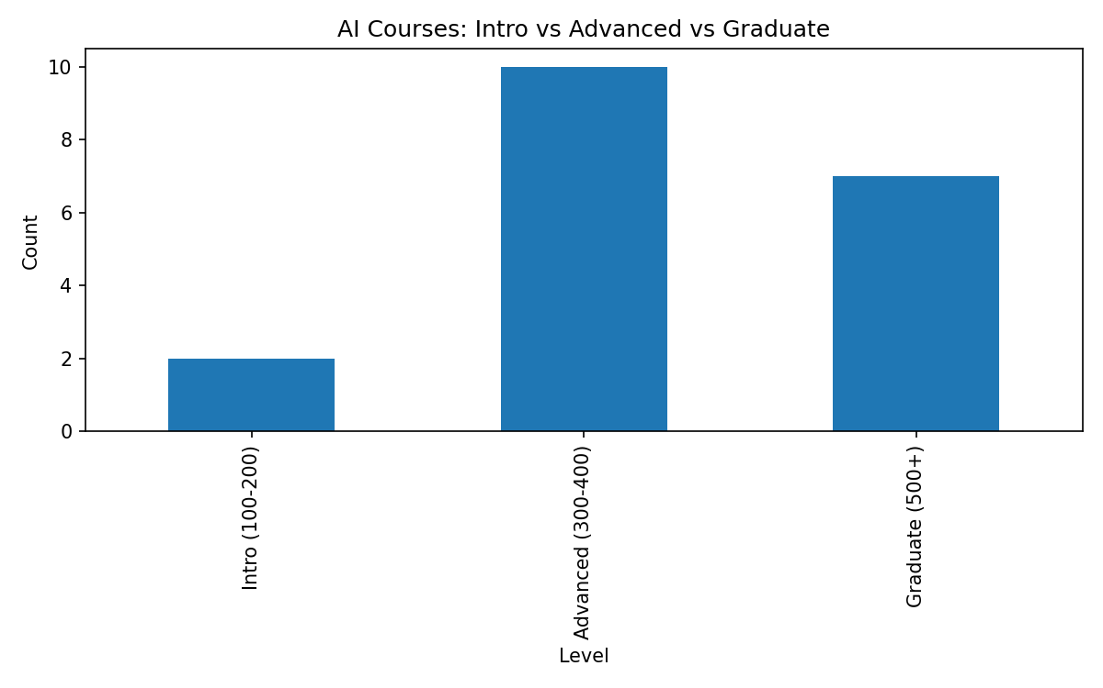
NAU Course Description Analysis: AI / ML / LLM Mentions
Prepared for department/administrative review. Counts are based on catalog description text (not full syllabi).

Documentation
Description | Identifies NAU courses whose catalog descriptions mention artificial intelligence (AI), machine learning (ML), large language models (LLMs), or related terms, and summarizes results across selected catalog term(s). Includes a summary page and a list of flagged courses with catalog links.
Universe(s) | NAU Course Catalog descriptions for selected term(s).
Created | 2026-02-04 by Sam Utzinger
Support | Questions regarding underlying course catalog data: Registrar’s Office. Questions regarding this analysis: Sam Utzinger (student project).
Report Notes | Results reflect keywords found in catalog descriptions. Some AI content may not be captured if not mentioned in the description. A small manual review step can be applied to remove false positives (e.g., 'intelligence' referring to national security or cognitive testing).
User Parameters | Enter Term Code(s): 1261, 1264
Summary
Included Term(s) | 1261, 1264
Total course rows scanned (all terms selected) | 12,325
Unique courses by course_id | 12,325
Unique non-duplicate courses (subject + catalog number) | 6,151
Courses with description changes across included terms | 41
AI-related courses (final, after manual review) | 19
Percent AI-related (AI / non-duplicate) | 0.3%

Additional Term Set (Optional)
Included Term(s) | 1254, 1261, 1264 | Total course rows scanned | 18547 | Courses with description changes | 621 | Unique non-duplicate courses | 6195

Methods
Data collection | Collected NAU course catalog descriptions for the selected term codes. Used a course numbering/prefix list to ensure complete coverage of subjects and catalog numbers.
Deduplication rule | To avoid double-counting repeated offerings, courses were consolidated using a 'course key' defined as subject + catalog number (e.g., CS 470). When course_id differs across offerings, the course key is used for reporting totals.
AI detection (strict) | Flagged courses that contain AI/ML/LLM phrases in the description, such as: artificial intelligence, machine learning, generative AI, ChatGPT/GPT, LLM, neural network, NLP.
AI detection (special-interest) | Also reviewed AI-adjacent areas that often overlap with AI instruction (robotics, simulation/virtual worlds, pattern recognition). These are labeled separately as applied/adjacent where appropriate.
Human validation | Performed a manual review step to remove false positives where 'intelligence' refers to national security, policing, or cognitive/psychometric testing rather than artificial intelligence.

Recommendations / Next Steps
1. Add more than just course discription. due to courses like speshal intrest topics not being included. eg 499, 599, 699, courses. also 485 research projects.
4. Track term-to-term changes by running the same pipeline each term and comparing counts + new/retired AI-related courses.
Counts & Distribution

AI-related courses by subject
Subject | Count
CS | 9
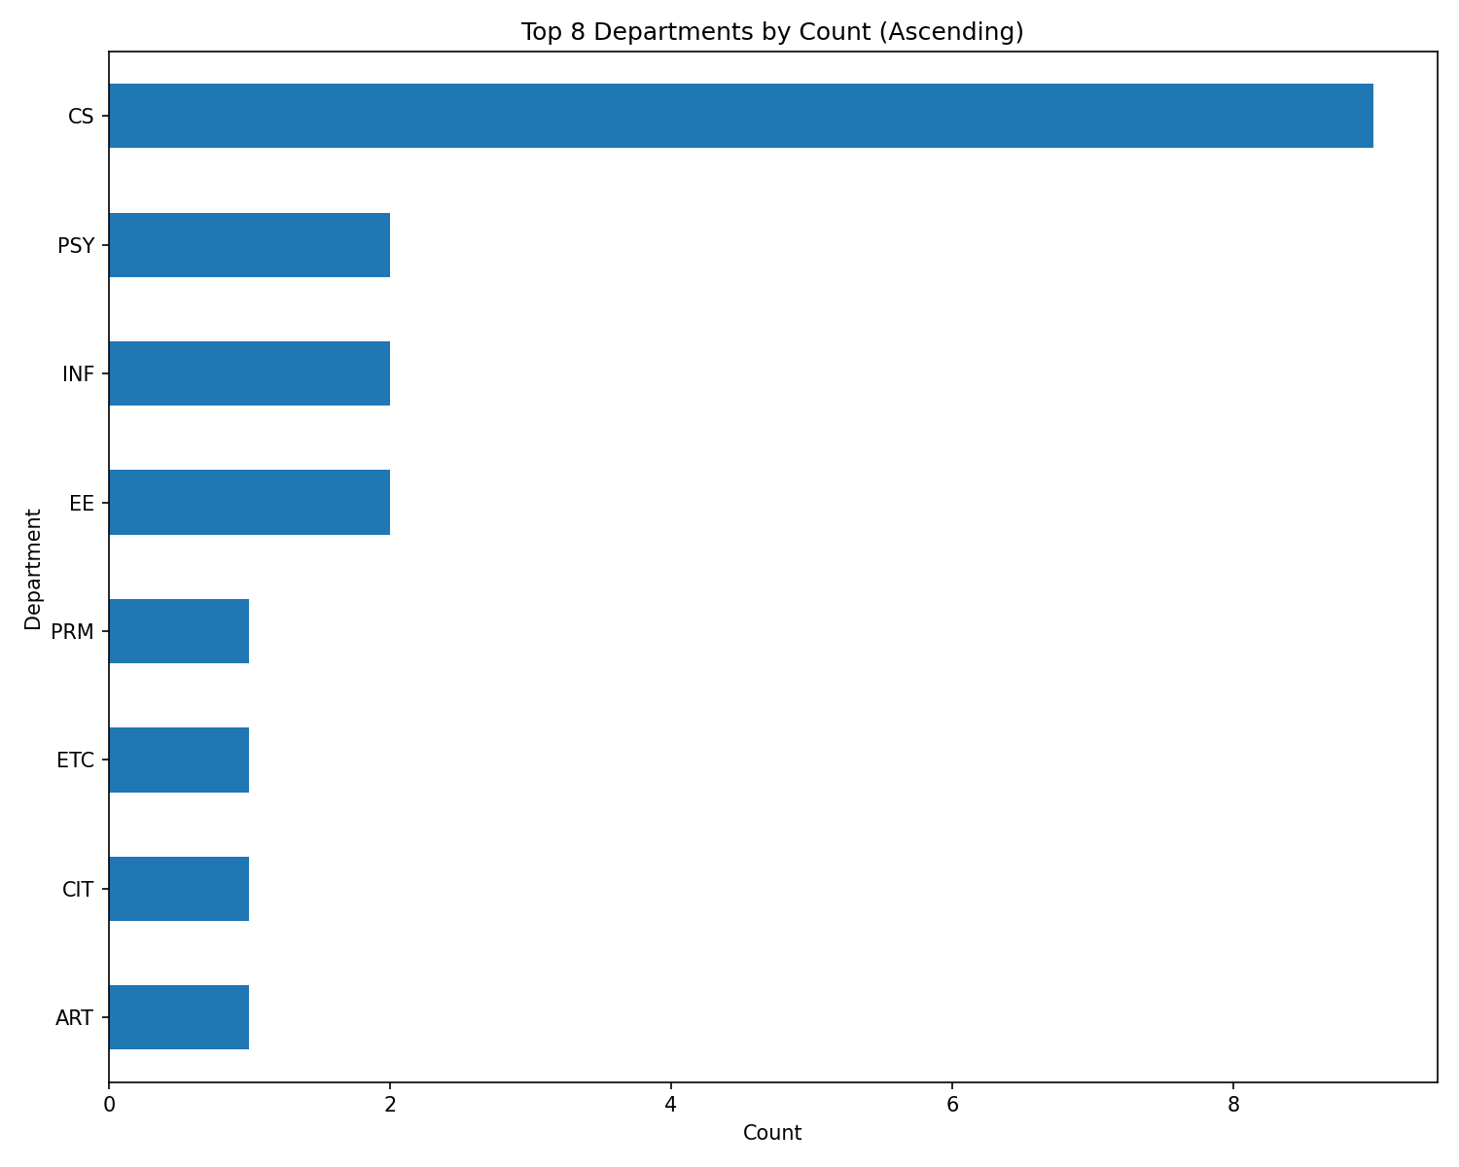
EE | 2
INF | 2
PSY | 2
ART | 1
CIT | 1
ETC | 1
PRM | 1

AI-related courses by group (interpretation)
Group | Count
Technical AI/ML (methods) | 9
Applied AI/ML (domain/project) | 5
AI literacy / ethics / impact | 3
AI-adjacent (robotics/generative art) | 1
Generative AI / learning analytics | 1

AI-related courses by group

Analysis
Counts & Distribution

AI-related courses by subject
AI-related courses by subject
Subject | Count
CS | 9
EE | 2
INF | 2
PSY | 2
ART | 1
CIT | 1
ETC | 1
PRM | 1

AI-related courses by group
AI-related courses by group (interpretation)
Group | Count
Technical AI/ML (methods) | 9
Applied AI/ML (domain/project) | 5
AI literacy / ethics / impact | 3
AI-adjacent (robotics/generative art) | 1
Generative AI / learning analytics | 1

